Trail Trekker Order Form
Cub Scout Trail Trekker Patch Order Form

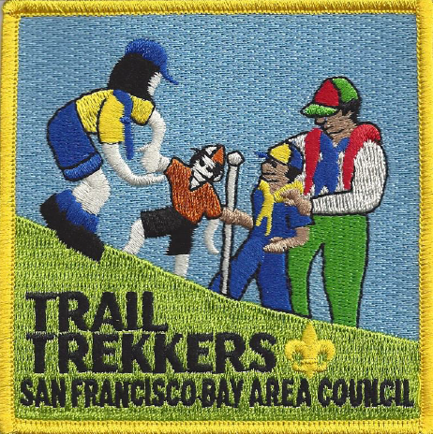
Mail Form to: |  |  |  |  | Send Order to (no P.O. boxes):

East Bay Scout Shop |  |  |  |  | Name:
1001 Davis Street |  |  |  |  | Address:
San Leandro, CA 94577
Phone: (510) 633-2005
Fax: (510) 633-1795 |  |  |  |  | Phone:
 |  |  |  |  | Email:

 | Patches to be ordered:
 | Patches |  |  | Qty | Price(each) | Total
 | 612313 | Trail Trekker Basic Patch |  |  | $3.29 | $0.00
 | 610486 | Angel Island |  |  | $0.89 | $0.00
 | 610486 | Black Diamond Mine |  |  | $0.89 | $0.00
 | 610486 | Coyote Hills |  |  | $0.89 | $0.00
 | 610486 | Flag Hill |  |  | $0.89 | $0.00
 | 610486 | Hoot Owl |  |  | $0.89 | $0.00
 | 610486 | Huckleberry Botanic Preserve |  |  | $0.89 | $0.00
 | 610486 | Little Yosemite |  |  | $0.89 | $0.00
 | 610486 | Morgan Territory |  |  | $0.89 | $0.00
 | 610486 | Redwood Creek |  |  | $0.89 | $0.00
 | 610486 | Rodeo Lagoon |  |  | $0.89 | $0.00
 | 610486 | Sycamore Grove |  |  | $0.89 | $0.00
 | 610486 | Wildcat Peak |  |  | $0.89 | $0.00
 | Please call the East Bay Scout Shop (510) 633-2005 for sales tax and shipping |  |  |  | Subtotal | $0.00
 |  |  |  |  | Sales Tax | $0.00
 |  |  |  |  | Shipping
 |  |  |  |  | Total | $0.00

If paying by check, please make check payable to East Bay Scout Shop
*Prices subject to change without notice*

Account: |  |  | Exp. Date: |  |  | Code:

